Current R&S Settings
The current R & S settings in Customised Race Report to match the Template are:

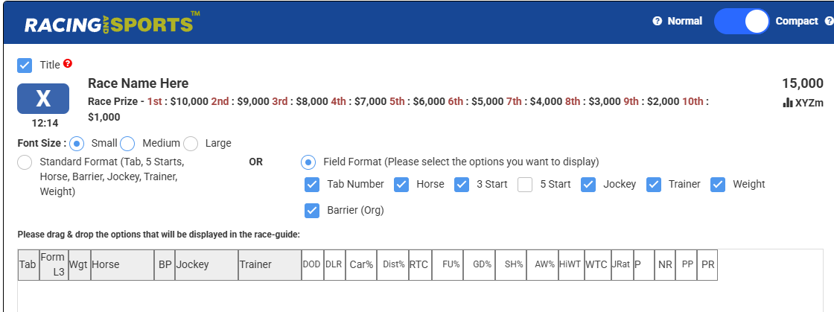

The current R & S settings in Neurals to match the Template are: | Note: If track is Heavy then the Wet Track setting below is 5

